Calculator
Objective
This model evaluates a 'flexible' minimum qualifying criteria for the DX Units measure in the MN HVAC&R program.
Overview |  |  |  |  |  |  |  |  |  |  | Solve for SEER_proposed given EER_proposed (photo)
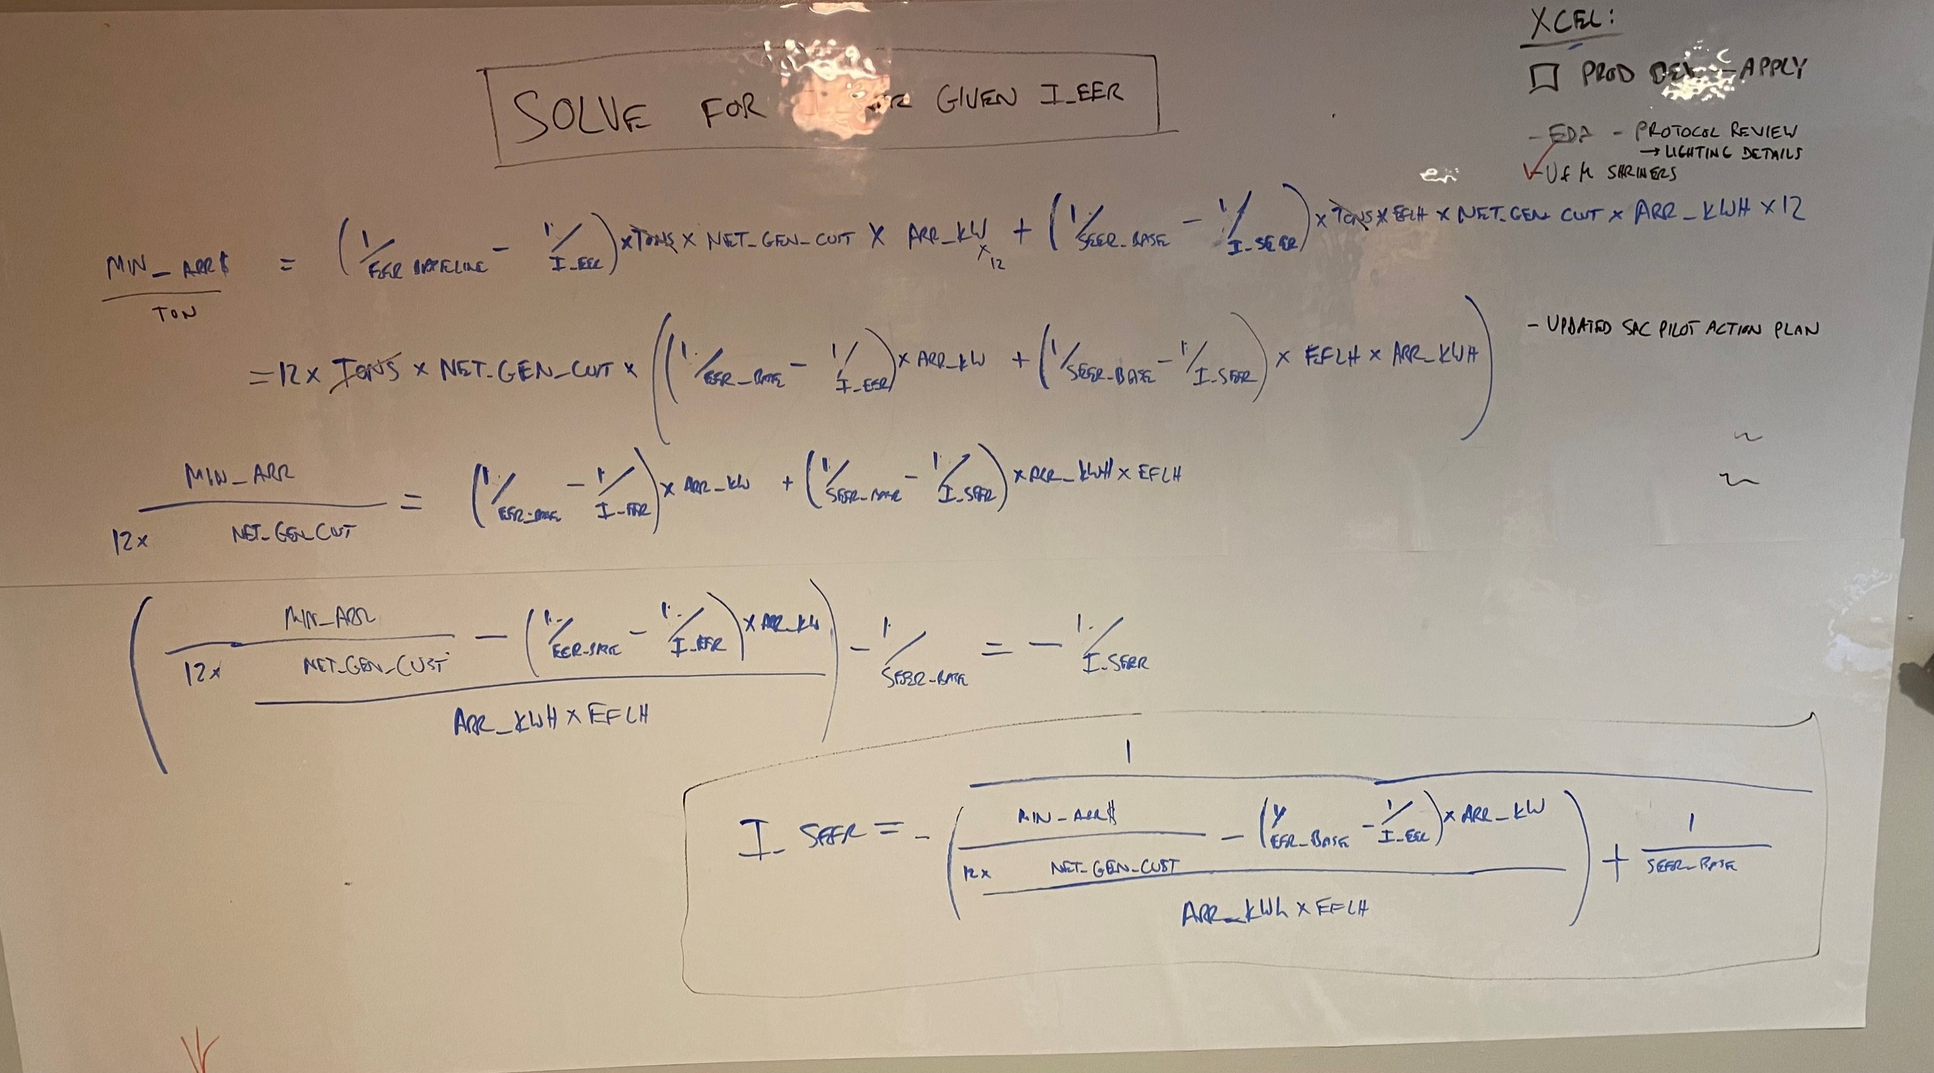
The flexible minimum qualifying concept increases the range of qualified DX Unit equipment by accepting equipment with lower EERs (full-load efficiency) and higher SEERs (part-load efficiency). This alternative qualifying method was inspired by trade partner feedback regarding rejections of prescriptive DX Unit applications for equipment that barely failed to meet minimum qualifying full-load efficiencies while substantially exceeding minimum qualifying part-load efficiencies. The concept uses a single result, Total Electric ARR$, to determine if candidate equipment results in more Total Electric ARR$ than would occur under the current minimum qualifying rules. Instead of setting the minimum qualifying values using static minimum qualifying part-load and full-load efficiencies, the minimum qualifying criteria is defined as: The equipment efficiencies are greater or equal to baseline values AND the Total Utility Electric ARR $ with the Flexible Rules is greater than the Total Utility Electric ARR $ from the same measure using minimum qualifying values as inputs (the "Minimum Qualifying" scenario). Effectively, the flexible minimum qualifying concept is using a single result, Total Electric ARR$, instead of two results, kW & kWh, to quantify and then compare the value of the savings to the utility for a given piece of equipment.
Inputs |  |  |  |  | Calculation Parameters
Parameter | Value | Baseline / Code Minimum | Min Qualifying |  | Parameter | Value
Building Type | Lodging |  |  |  | Min_EER__c | 10.9
Cooling Capacity (Tons) | 32.5 |  |  |  | Min_SEER__c | 12
Full Load Efficiency (EER) | 10.7 | 9.8 | 10.9 |  | EER_Baseline__c | 9.8
Part Load Efficiency (SEER) | 15.9 | 9.9 | 12 |  | SEER_Baseline__c | 9.9
County | Isanti MN2 |  |  |  | P_Cooling_Hrs_mc4__c | 606
NewModel | MN - RTUS - 20 - 63.33 tons |  |  |  | Rebate_Bonus_Full_Load__c | 4
 |  |  |  |  | Rebate_Bonus_Part_Load__c | 3
Results |  |  |  |  | Rebate_Step_Qualifier__c | 0.1
 | Results - Minimum Qualifying | Results - Current Rules | Results - Flexible Rules |  | Coincidence_Factor__c | 0.9
EER Pass? | N/A | FAIL | PASS |  | Conversion_Factor__c | 0 |  | Example Equipment
IEER Pass? | N/A | PASS | PASS |  | Incremental_Cost_per_Ton__c | 189
Pass / Fail | N/A | FAIL | PASS |  | eo3__Maximum_Rebate_Currency__c | 50
Customer Savings (kW) | 4.016 | 3.347 | 3.347 |  | ARR$_kW | 1491.0459
Customer Savings (kWh) | 4178 | 9009 | 9009 |  | ARR$_kWh | 0.4521
Customer Savings (PC kW) | 3.614 | 3.013 | 3.013 |  | Net_Gen_to_Customer | 1.0191
Net Gen kW | 3.941 | 3.284 | 3.284 |  | one_table_index_row | 4
Net Gen kWh | 4258 | 9181 | 9181 |  | county_lookup | MN2
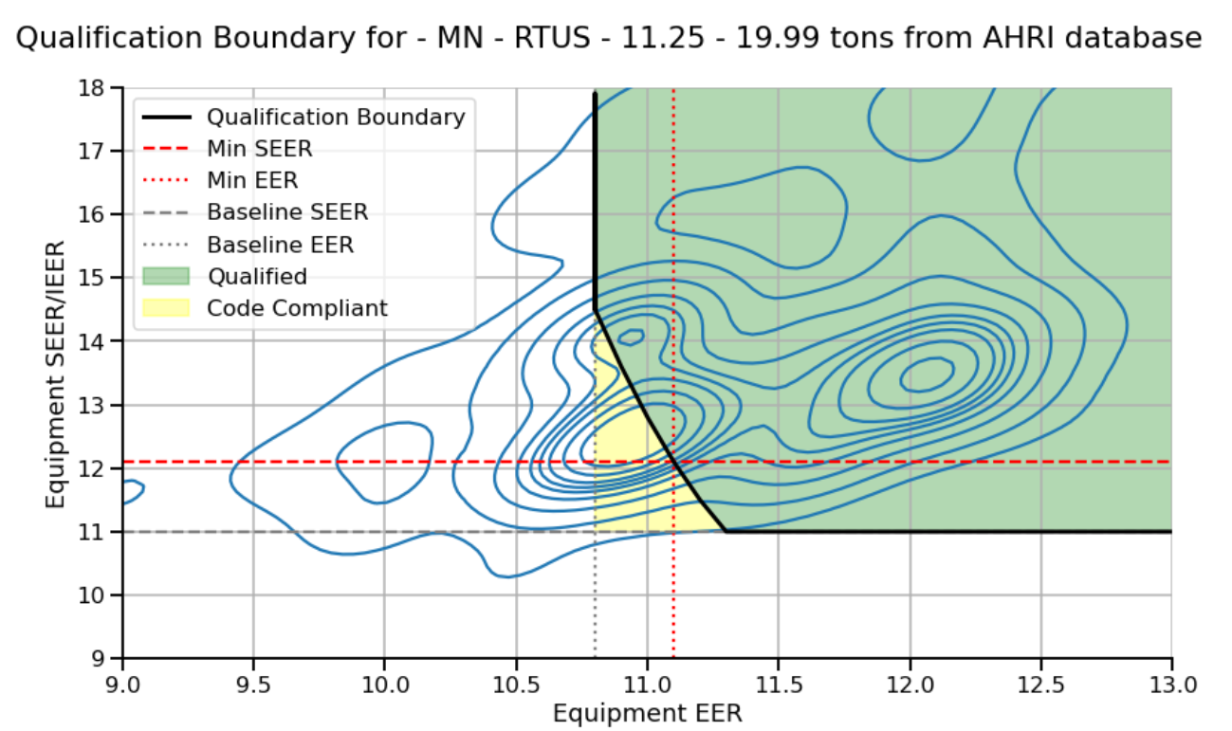
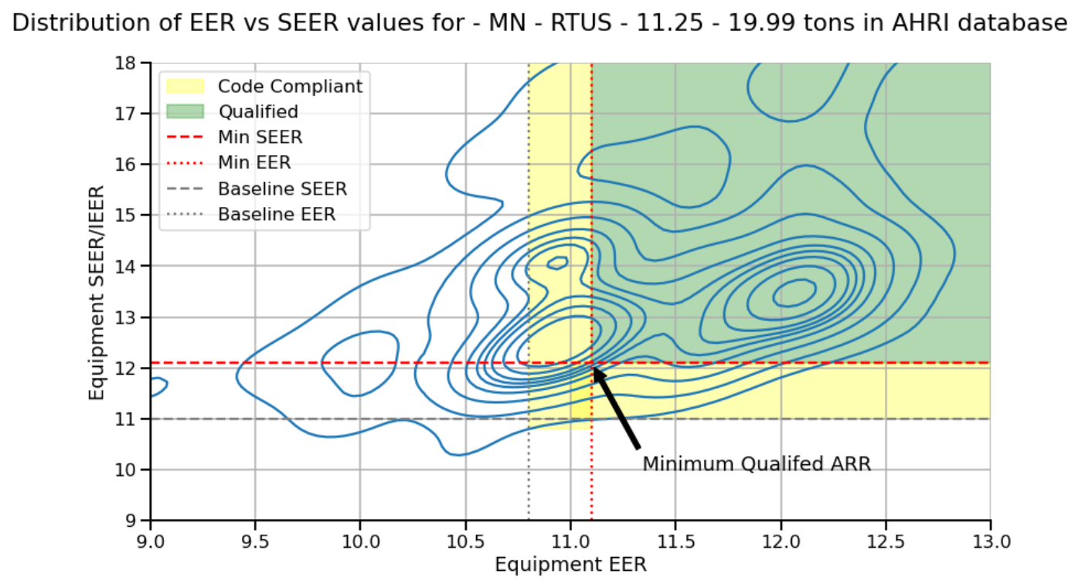
Rebate - Size ($) | $1,625 | $1,625 | $1,625
Rebate - Full Load ($) | $0 | ($260) | ($260)
Rebate - Part Load ($) | $0 | $3,803 | $3,803
Rebate Total ($) | $1,625 | $0 | $5,167
Utility Electric kW ARR $ | $5,876 | $4,897 | $4,897
Utility Electric kWh ARR $ | $1,925 | $4,151 | $4,151
Total Utility Electric ARR $ | $7,801 | $9,048 | $9,048

Minimum Qualifying ARR Values using 2021 'static' Rules
 | < 5.4 tons | 5.4 - 11.3 tons | 11.4 - 19.9 tons | 20 - 63 tons | > 63 tons
eo3__Equipment_Type__c | MN - RTUS < 5.42 tons | MN - RTUS - 5.42 - 11.24 tons | MN - RTUS - 11.25 - 19.99 tons | MN - RTUS - 20 - 63.33 tons | MN - RTUS - 63.34 tons and above
Min_EER__c | 11.05 | 11.3 | 11.1 | 10.9 | 10.9
Min_SEER__c | 13.7 | 12.2 | 12.1 | 12 | 12
EER_Baseline__c | 11.05 | 11 | 10.8 | 9.8 | 9.5
SEER_Baseline__c | 13 | 11.2 | 11 | 9.9 | 9.6
Size_Max__c | 5.42 | 11.25 | 20 | 63.34 | 300
P_Cooling_Hrs_mc4__c | 599 | 599 | 599 | 599 | 599
Customer Savings (kW) | 0 | 0.326 | 0.601 | 7.827 | 48.672
Customer Savings (kWh) | 153 | 591 | 1,187 | 8,041 | 44,888
Customer Savings (PC kW) | 0 | 0.293 | 0.541 | 7.044 | 43.805
Net Gen kW | 0.000 | 0.332 | 0.612 | 7.977 | 49.602
Net Gen kWh | 156 | 602 | 1210 | 8195 | 45746
Utility Electric kW ARR $ | $0 | $495 | $913 | $11,893 | $73,959
Utility Electric kWh ARR $ | $70 | $272 | $547 | $3,705 | $20,682
Total Utility Electric ARR $ | $70 | $768 | $1,460 | $15,598 | $94,642
Minimum Qualified ARR $/Ton | $13.01 | $68.24 | $73.01 | $246.26 | $315.47

SEER vs. EER Table for Flexible Minimum Qualifying Rules - Direct Calculation
EER | < 5.4 tons | 5.4 - 11.3 tons | 11.4 - 19.9 tons | 20 - 63 tons | > 63 tons
9 | Not Qualified | Not Qualified | Not Qualified | Not Qualified | Not Qualified
9.1 | Not Qualified | Not Qualified | Not Qualified | Not Qualified | Not Qualified
9.2 | Not Qualified | Not Qualified | Not Qualified | Not Qualified | Not Qualified
9.3 | Not Qualified | Not Qualified | Not Qualified | Not Qualified | Not Qualified
9.4 | Not Qualified | Not Qualified | Not Qualified | Not Qualified | Not Qualified
9.5 | Not Qualified | Not Qualified | Not Qualified | Not Qualified | 113.2
9.6 | Not Qualified | Not Qualified | Not Qualified | Not Qualified | 67.2
9.7 | Not Qualified | Not Qualified | Not Qualified | Not Qualified | 48.1
9.8 | Not Qualified | Not Qualified | Not Qualified | 37.6 | 37.6
9.9 | Not Qualified | Not Qualified | Not Qualified | 31.0 | 31.0
10 | Not Qualified | Not Qualified | Not Qualified | 26.4 | 26.4
10.1 | Not Qualified | Not Qualified | Not Qualified | 23.1 | 23.1
10.2 | Not Qualified | Not Qualified | Not Qualified | 20.6 | 20.6
10.3 | Not Qualified | Not Qualified | Not Qualified | 18.6 | 18.6
10.4 | Not Qualified | Not Qualified | Not Qualified | 16.9 | 16.9
10.5 | Not Qualified | Not Qualified | Not Qualified | 15.6 | 15.6
10.6 | Not Qualified | Not Qualified | Not Qualified | 14.5 | 14.5
10.7 | Not Qualified | Not Qualified | Not Qualified | 13.5 | 13.5
10.8 | Not Qualified | Not Qualified | 14.5 | 12.7 | 12.7
10.9 | Not Qualified | Not Qualified | 13.6 | 12.0 | 12.0
11 | Not Qualified | 14.6 | 12.8 | 11.4 | 11.4
11.1 | 13.3 | 13.7 | 12.1 | 10.8 | 10.8
11.2 | 13.0 | 12.9 | 11.5 | 10.3 | 10.3
11.3 | 13.0 | 12.2 | 11.0 | 9.9 | 9.9
11.4 | 13.0 | 11.6 | 11.0 | 9.9 | 9.6
11.5 | 13.0 | 11.2 | 11.0 | 9.9 | 9.6
11.6 | 13.0 | 11.2 | 11.0 | 9.9 | 9.6
11.7 | 13.0 | 11.2 | 11.0 | 9.9 | 9.6
11.8 | 13.0 | 11.2 | 11.0 | 9.9 | 9.6
11.9 | 13.0 | 11.2 | 11.0 | 9.9 | 9.6
12 | 13.0 | 11.2 | 11.0 | 9.9 | 9.6
12.1 | 13.0 | 11.2 | 11.0 | 9.9 | 9.6
12.2 | 13.0 | 11.2 | 11.0 | 9.9 | 9.6
12.3 | 13.0 | 11.2 | 11.0 | 9.9 | 9.6
12.4 | 13.0 | 11.2 | 11.0 | 9.9 | 9.6
12.5 | 13.0 | 11.2 | 11.0 | 9.9 | 9.6
12.6 | 13.0 | 11.2 | 11.0 | 9.9 | 9.6
12.7 | 13.0 | 11.2 | 11.0 | 9.9 | 9.6
12.8 | 13.0 | 11.2 | 11.0 | 9.9 | 9.6
12.9 | 13.0 | 11.2 | 11.0 | 9.9 | 9.6
13 | 13.0 | 11.2 | 11.0 | 9.9 | 9.6

Derive Coefficients for Salesforce Calculator Build
eo3__Equipment_Type__c | MN - RTUS < 5.42 tons | MN - RTUS - 5.42 - 11.24 tons | MN - RTUS - 11.25 - 19.99 tons | MN - RTUS - 20 - 63.33 tons | MN - RTUS - 63.34 tons and above
iCoef0 | 1.0636 | 5.5799 | 5.9699 | 20.1372 | 25.7963
iCoef1 | 134.9363 | 135.5496 | 138.0598 | 152.1475 | 156.9522
iCoef2 | 270.5909 | 270.5909 | 270.5909 | 270.5909 | 270.5909
iCoef3 | 0.0769 | 0.0893 | 0.0909 | 0.1010 | 0.1042
iCoef4 | 1,491.0459 | 1,491.0459 | 1,491.0459 | 1,491.0459 | 1,491.0459

Simplified Formula - ARR/Ton as a function of EER | ($24.63) | ($23.44) | ($30.12) | ($42.75) | ($42.75)
 | =1/(-(B103-(B104-B107/$A55))/B105+B106) | =1/(-(C103-(C104-C107/$A55))/C105+C106) | =1/(-(D103-(D104-D107/$A55))/D105+D106) | =1/(-(E103-(E104-E107/$A55))/E105+E106) | =1/(-(F103-(F104-F107/$A55))/F105+F106)
 | 1/(-(B102-(B103-B106/EER_input))/B104+B105)
SEER vs. EER Curve Coefficients Validation - 1/(-(B102-(B103-B106/EER_input))/B104+B105)
 | Direct Calculation | Curve Fit | Direct Calculation | Curve Fit | Direct Calculation | Curve Fit | Direct Calculation | Curve Fit | Direct Calculation | Curve Fit
EER | MN - RTUS < 5.42 tons | MN - RTUS < 5.42 tons | MN - RTUS - 5.42 - 11.24 tons | MN - RTUS - 5.42 - 11.24 tons | MN - RTUS - 11.25 - 19.99 tons | MN - RTUS - 11.25 - 19.99 tons | MN - RTUS - 20 - 63.33 tons | MN - RTUS - 20 - 63.33 tons | MN - RTUS - 63.34 tons and above | MN - RTUS - 63.34 tons and above
Minimum ARR$/Ton |  | $13.01 |  | $68.24 |  | $73.01 |  | $246.26 |  | $315.47
9 | Not Qualified | Not Qualified | Not Qualified | Not Qualified | Not Qualified | Not Qualified | Not Qualified | Not Qualified | Not Qualified | Not Qualified
9.1 | Not Qualified | Not Qualified | Not Qualified | Not Qualified | Not Qualified | Not Qualified | Not Qualified | Not Qualified | Not Qualified | Not Qualified
9.2 | Not Qualified | Not Qualified | Not Qualified | Not Qualified | Not Qualified | Not Qualified | Not Qualified | Not Qualified | Not Qualified | Not Qualified
9.3 | Not Qualified | Not Qualified | Not Qualified | Not Qualified | Not Qualified | Not Qualified | Not Qualified | Not Qualified | Not Qualified | Not Qualified
9.4 | Not Qualified | Not Qualified | Not Qualified | Not Qualified | Not Qualified | Not Qualified | Not Qualified | Not Qualified | Not Qualified | Not Qualified
9.5 | Not Qualified | Not Qualified | Not Qualified | Not Qualified | Not Qualified | Not Qualified | Not Qualified | Not Qualified | 113.2 | 113.2
9.6 | Not Qualified | Not Qualified | Not Qualified | Not Qualified | Not Qualified | Not Qualified | Not Qualified | Not Qualified | 67.2 | 67.2
9.7 | Not Qualified | Not Qualified | Not Qualified | Not Qualified | Not Qualified | Not Qualified | Not Qualified | Not Qualified | 48.1 | 48.1
9.8 | Not Qualified | Not Qualified | Not Qualified | Not Qualified | Not Qualified | Not Qualified | 37.6 | 37.6 | 37.6 | 37.6
9.9 | Not Qualified | Not Qualified | Not Qualified | Not Qualified | Not Qualified | Not Qualified | 31.0 | 31.0 | 31.0 | 31.0
10 | Not Qualified | Not Qualified | Not Qualified | Not Qualified | Not Qualified | Not Qualified | 26.4 | 26.4 | 26.4 | 26.4
10.1 | Not Qualified | Not Qualified | Not Qualified | Not Qualified | Not Qualified | Not Qualified | 23.1 | 23.1 | 23.1 | 23.1
10.2 | Not Qualified | Not Qualified | Not Qualified | Not Qualified | Not Qualified | Not Qualified | 20.6 | 20.6 | 20.6 | 20.6
10.3 | Not Qualified | Not Qualified | Not Qualified | Not Qualified | Not Qualified | Not Qualified | 18.6 | 18.6 | 18.6 | 18.6
10.4 | Not Qualified | Not Qualified | Not Qualified | Not Qualified | Not Qualified | Not Qualified | 16.9 | 16.9 | 16.9 | 16.9
10.5 | Not Qualified | Not Qualified | Not Qualified | Not Qualified | Not Qualified | Not Qualified | 15.6 | 15.6 | 15.6 | 15.6
10.6 | Not Qualified | Not Qualified | Not Qualified | Not Qualified | Not Qualified | Not Qualified | 14.5 | 14.5 | 14.5 | 14.5
10.7 | Not Qualified | Not Qualified | Not Qualified | Not Qualified | Not Qualified | Not Qualified | 13.5 | 13.5 | 13.5 | 13.5
10.8 | Not Qualified | Not Qualified | Not Qualified | Not Qualified | 14.5 | 14.5 | 12.7 | 12.7 | 12.7 | 12.7
10.9 | Not Qualified | Not Qualified | Not Qualified | Not Qualified | 13.6 | 13.6 | 12.0 | 12.0 | 12.0 | 12.0
11 | Not Qualified | Not Qualified | 14.6 | 14.6 | 12.8 | 12.8 | 11.4 | 11.4 | 11.4 | 11.4
11.1 | 13.3 | 13.3 | 13.7 | 13.7 | 12.1 | 12.1 | 10.8 | 10.8 | 10.8 | 10.8
11.2 | 13.0 | 13.0 | 12.9 | 12.9 | 11.5 | 11.5 | 10.3 | 10.3 | 10.3 | 10.3
11.3 | 13.0 | 13.0 | 12.2 | 12.2 | 11.0 | 11.0 | 9.9 | 9.9 | 9.9 | 9.9
11.4 | 13.0 | 13.0 | 11.6 | 11.6 | 11.0 | 11.0 | 9.9 | 9.9 | 9.6 | 9.6
11.5 | 13.0 | 13.0 | 11.2 | 11.2 | 11.0 | 11.0 | 9.9 | 9.9 | 9.6 | 9.6
11.6 | 13.0 | 13.0 | 11.2 | 11.2 | 11.0 | 11.0 | 9.9 | 9.9 | 9.6 | 9.6
11.7 | 13.0 | 13.0 | 11.2 | 11.2 | 11.0 | 11.0 | 9.9 | 9.9 | 9.6 | 9.6
11.8 | 13.0 | 13.0 | 11.2 | 11.2 | 11.0 | 11.0 | 9.9 | 9.9 | 9.6 | 9.6
11.9 | 13.0 | 13.0 | 11.2 | 11.2 | 11.0 | 11.0 | 9.9 | 9.9 | 9.6 | 9.6
12 | 13.0 | 13.0 | 11.2 | 11.2 | 11.0 | 11.0 | 9.9 | 9.9 | 9.6 | 9.6
12.1 | 13.0 | 13.0 | 11.2 | 11.2 | 11.0 | 11.0 | 9.9 | 9.9 | 9.6 | 9.6
12.2 | 13.0 | 13.0 | 11.2 | 11.2 | 11.0 | 11.0 | 9.9 | 9.9 | 9.6 | 9.6
12.3 | 13.0 | 13.0 | 11.2 | 11.2 | 11.0 | 11.0 | 9.9 | 9.9 | 9.6 | 9.6
12.4 | 13.0 | 13.0 | 11.2 | 11.2 | 11.0 | 11.0 | 9.9 | 9.9 | 9.6 | 9.6
12.5 | 13.0 | 13.0 | 11.2 | 11.2 | 11.0 | 11.0 | 9.9 | 9.9 | 9.6 | 9.6
12.6 | 13.0 | 13.0 | 11.2 | 11.2 | 11.0 | 11.0 | 9.9 | 9.9 | 9.6 | 9.6
12.7 | 13.0 | 13.0 | 11.2 | 11.2 | 11.0 | 11.0 | 9.9 | 9.9 | 9.6 | 9.6
12.8 | 13.0 | 13.0 | 11.2 | 11.2 | 11.0 | 11.0 | 9.9 | 9.9 | 9.6 | 9.6
12.9 | 13.0 | 13.0 | 11.2 | 11.2 | 11.0 | 11.0 | 9.9 | 9.9 | 9.6 | 9.6
13 | 13.0 | 13.0 | 11.2 | 11.2 | 11.0 | 11.0 | 9.9 | 9.9 | 9.6 | 9.6

 | 260.3 | 260.3 | 244.1 | 244.1 | 262.5 | 262.5 | 453.2 | 453.2 | 676.6 | 676.6

Ref:

